autosys_box
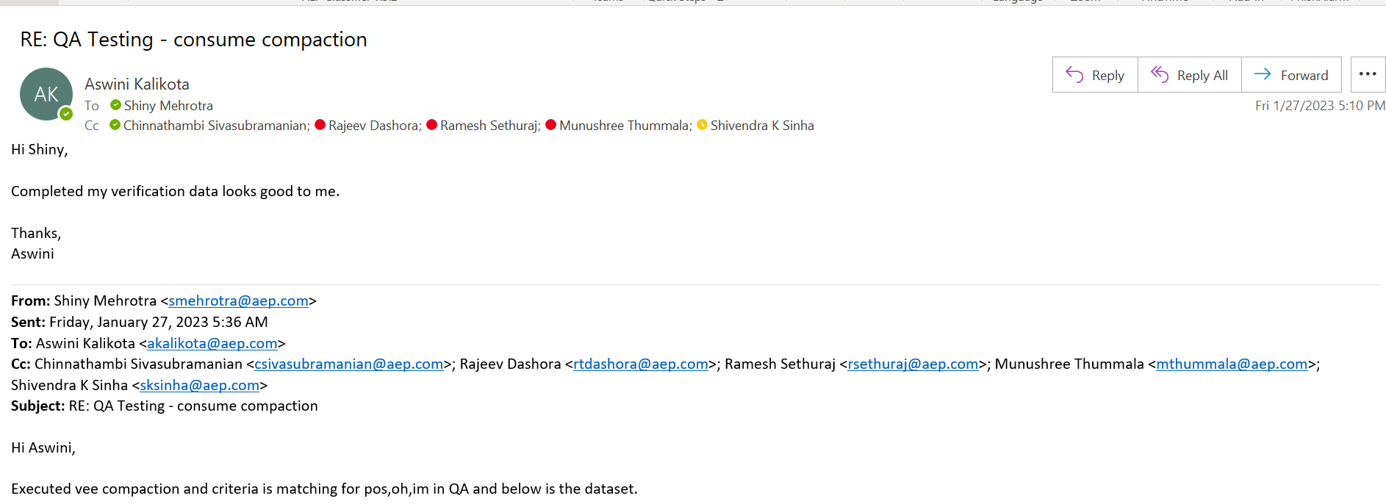
Autosys box

Box Details

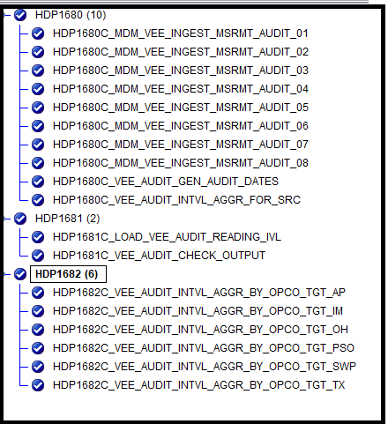

Data Testing (Confirmation from Aswini)

